Main
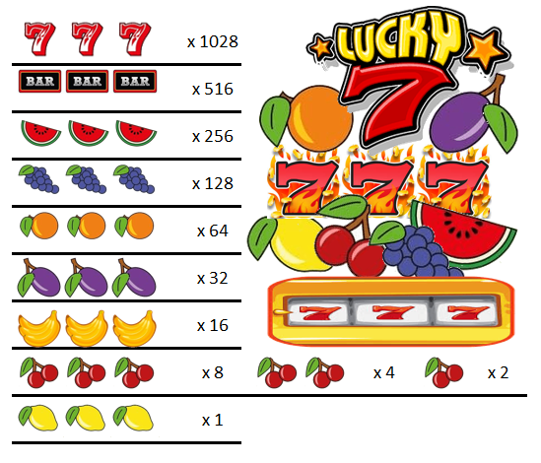

 |  | 445 | 230
CREDITS |  |  |  | BET | x 1028
$915 |  |  |  | 5 | x 516
Top Up
 |  |  |  |  | x 256
 |  |  |  |  | x 128
 | PAYLINE |  |  |  | x 64
 |  |  |  |  | x 32
SPIN
PAYOUT RATE |  |   |  |  | x 16
BET
51.69% |  |  |  |  | x 8 | x 4 | x 2
 |  |  |  |  | x 1

 |  |  |  |  | Lucky 7 Slots Simulator Ver 1.0 Programmed By Remy Lim 2017

